1. Title Page
Grocery Basket Analysis

Project Name: Instacart Grocery Basket Analysis
Date: August 20, 2023
Analyst Name: Bernard Di Gregorio

Contents:
Population Flow
Consistency checks
Wrangling steps
Column derivations
Visualizations
Recommendations

Data Citation:
“The Instacart Online Grocery Shopping Dataset 2017”,
Accessed from www.instacart.com/datasets/grocery-shopping-2017
via Kaggle on July 26, 2023
This data was fabricated and used for the purposes of CareerFoundry Data Analytics coursework.

2. Population Flow
Title page

Population flow

Exclusion flag
Condition: max_order < 5
Obervations to be removed: 711,316
Final total count of Opa: 32,642,450 rows

Orders_products_combined
Orders_products_merged
Opa

Total: 32,642,461 rows
Total: 32,640,698 rows
Total: 32,642,450 rows

1.) The grey boxes in the first row of the population flow represent the original data sets as they were when you downloaded them. In the Total fields you need to add the count of the rows when you imported the data set into Jupyter.
2.) The second row of boxes (coloured) represents the data sets after you manipulated them, e.g., removed missing values and duplicates. In the Total fields you need to add the count of the rows after conducting these operations. This offers a visual oveview of how the data flows throughout the data consistency checks.
3.) The third row, where also the arrows are coloured, represents the merges you performed between the datasets. In the Total fields you need to add the count of the rows in the merged datasets, so that you end up with the final dataset (in the red box). Keep in mind the final dataset should be without exclusions (based on the exclusion flag).

3. Consistency checks
 |  |  |  | Title page
Consistency checks

Dataset | Missing values | Missing values treatment | Duplicates
orders | days_since_prior_order | NaN allowed to remain as multiple first orders are present in the data set. This is due to new customer's joining Instacart and making their first order: there was no prior order.
products | product_name: 16 NaN's | removed | 5 duplicate rows deleted
orders_products_prior
customers | 11 missing values in'first_name' | missing values left alone as names cannot be imputed and they do not interfere with analysis

4. Wrangling steps
 |  |  |  |  | Title page
Wrangling steps

Columns dropped | Columns renamed | Column view | Columns' type changed | Comment/Reason
orders.csv: eval_set |  |  |  | This was from the prior data set. Irrelevant for our purposes now
 | orders.csv: 'orders_dow' renamed 'orders_day_of_week' |  |  | orders_dow is not very intuitive. Orders_day_of_week is easily understandable
 |  |  | from orders.csv data type for order_id changed to "string" | Although order_id is a number is does not hold numeric value but is instead a numeric label. Changing it's data type to a string sets it as an "object's" label
 |  |  | from orders.csv data type for user_id changed to "string" | Although user_id is a number is does not hold numeric value but is instead a numeric label. Changing it's data type to a string sets it as an "object's" label
 |  | departments.csv: department column changed from "wide" view to "long" view |  | Long format allows easier use with the column
 | ords_prods_new: '-merge' renamed 'ords_prior_combined' |  |  | Error message: unable to create merge of customers and ords_prods_new with "merge" and part of a column name.
 | ords_prods_new: 'merge_flag' renamed 'prods_clened_combined' |  |  | Error message: unable to create merge of customers and ords_prods_new with "merge" and part of a column name.
 | customers.csv: 'First Name' renamed 'first_name' |  |  | column naming consistency
 | customers.csv: 'Surnam' renamed 'last_name' |  |  | column naming consistency
 | customers.csv: 'Gender' renamed 'gender' |  |  | column naming consistency
 | customers.csv: 'State' renamed 'state' |  |  | column naming consistency
 | customers.csv: 'Age' renamed 'age' |  |  | column naming consistency
 | customers.csv: 'n_dependants' renamed 'number_of_dependents' |  |  | column naming consistency
 | customers.csv: 'fam_status' renamed 'family_status' |  |  | column naming consistency
 | ords_prods_new: '_merge' renamed 'ords_priors_combined' |  |  | column naming clarity
 | ords_prods_new: 'merge_flag' renamed 'prods_clened_combined' |  |  | column naming clarity
 |  |  | ords_prods_new: 'user_id' changed to int64 | changed for merge with 'customers.pkl'
df_merged: '_merge' |  |  |  | unneeded
Orders_products_all: '_merge' |  |  |  | unneeded
Orders_products_all_2: 'first_name','last_name' |  |  |  | PII security concerns
Orders_products_all_2: 'ords_priors_combined', 'prods_clened_combined', '_merge', 'Unnamed: 0' |  |  |  | unneeded
 | departments_wrangled.pkl: 'Unnamed: 0' renamed 'department_id' |  |  | column naming clarity

5. Column derivations
 |  |  |  |  |  | Title page

Column derivations and aggregations

In this tab you should add tables below that the frequences of flags/label variables that you produced after deriving them. NB: don't do this for continuous variables, only for flags.
Dataset | Script | New column | Column/s it was derived from | Frequencies | Conditions
df_orders_products_combined |  | _merge | flag derived from merging df_ords and df_ords_prior |  | creating merged dataset
df_orders_products_merged |  | merge_flag | flag derived from merging df_orders_products_combined and df_prods_cleaned |  | creating merged dataset
df_orders_products_merged | 4.7 Deriving New Variables and TASK | price_range_loc | prices | High range product:: 417678 Mid range product: 581197 Low range product: 10126324 | High range product: price > $15 Mid range product: price <= $15 and >$5 Low range product: price < $5
df_orders_products_merged | 4.7 Deriving New Variables and TASK | busiest_day | orders_day_of_the _week | Busiest day: 6252941 Regularly busy: 22575948 Least busy: 3812390 | Busiest day: if value = 0 Regularly busy: "else" Least busy: if value = 4
df_orders_products_merged | 4.7 Deriving New Variables and TASK | busiest_days | orders_day_of_the _week | Busiest days: 6253163 Regularly busy: 21858849 Least busy days: 4530449 | Busiest days: if value < 1 Regularly busy: "else" Least busy days: if value > 5
df_orders_products_merged | 4.7 Deriving New Variables and TASK | most orders | order_hour_of_day | Most orders: 16245861 Average orders: 893384 Fewest orders: 15503216 | Most orders: if in range (10, 16) Average orders: "else" Fewest orders: if value > 6
df_orders_products_merged | 4.8 Grouping and Aggregating TASK | loyalty_flag | user_id/order_number | Loyal customer: 10679887 Regular customers: 16382119 New customers: 5580444 | Loyal customer: orders > 40 Regular customers: orders <= 40 and >10 New customers: orders <= 10
df_orders_products_merged | 4.8 Grouping and Aggregating TASK | spender_type | prices/user_id/order_number | High spender: 10672093 Low spender: 21576167 | High spender: prices >= 10 Low spender: prices < 10
df_orders_products_merged | 4.8 Grouping and Aggregating TASK | customer_type | median frequency days of orders | Frequent customer: 21639806 Regular customer: 7288051 Non-frequent customer: 3714593 | Frequent customer: median order days <= 10 Regular customer: median order days > 10 & <= 20 Non-frequent customer: median order days > 20
Orders_products_all | 4.10 Coding Etiquette & Excel Reporting 1A | Region | state | Northeast: 5765035 South: 10871134 Midwest: 7652795 West: 8353486 | Northeast: (if values: Maine, New Hampshire, Vermont, Massachusetts, Rhode Island , Connecticut, New York, Pennsylvania, New Jersey) South: (if values: Delaware, Maryland, District of Columbia, Virginia, West Virginia, North Carolina, South Carolina, Georgia, Florida, Kentucky, Tennessee, Mississippi, Alabama, Oklahoma, Texas, Arkansas, Louisiana) Midwest: (if values: Wisconsin, Michigan, Illinois, Indiana, Ohio, North Dakota, South Dakota, Nebraska, Kansas, Minnesota, Iowa, Missouri) West: "else" (Idaho, Montana,,Wyoming, Nevada, Utah, Colorado, Arizona, New Mexico, Alaska, Washington, Oregon, California, Hawaii)
Orders_products_all | 4.10 Coding Etiquette & Excel Reporting 1A | customer_activity | max_order | High_activity: 31931134 Low_activity: 711316 | High_activity: max_order >= 5 Low_activity: max_order < 5
Opa | 4.10 Coding Etiquette & Excel Reporting 1B | age_group | age | Young adult: 8451744 Middle age: 14892924 Older customer: 8402256 | Young adult: 'age' >= 18 and <= 34 Middle age: 'age' >= >=34 and <= 64 Older customer: 'age' >= 65
Opa | 4.10 Coding Etiquette & Excel Reporting 1B | income_level | income | High Income: 8470722 Upper-middle: 7482426 Lower-middle: 7899649 Lower Income: 7894127 | High Income: >125,000 Upper-middle: >= 96,500 and <= 124,999 Lower-middle: >= 67,000 and <= 96,999 Lower Income: >=25,000 and <= 66,999
Opa | 4.10 Coding Etiquette & Excel Reporting 1B | dependents | number_of_dependents | HAS dependents: 23813131 NO dependents: 79933793 | HAS dependents: 'number_of_dependents' != 0 NO dependents: 'number_of_dependents' == 0
Opa | 4.10 Coding Etiquette & Excel Reporting 1B | baby product buyers | department_id | baby product buyer: 417536 NOT a baby product buyer: 31329388 | baby product buyer: 'department_id' ==18, NOT a baby product buyer: 'department_id' !=18

6. Visualizations
 |  |  |  |  |  |  |  | Title page

Visualizations

In this tab you should include all the visualizations from Exercises 4.9 and 4.10, alongside the questions from the project brief that they answer. Include any commentary on the relationship between different variables.

Question 1: | The sales team needs to know what the busiest days of the week and hours of the day are (i.e., the days and times with the most orders)
 | in order to schedule ads at times when there are fewer orders.
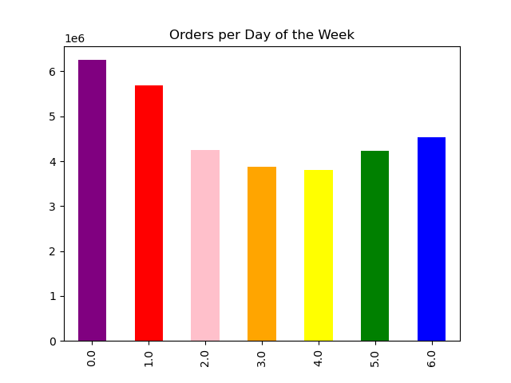


 |  |  |  | Legend:
 |  |  |  | 0 = Saturday
 |  |  |  | 1= Sunday
 |  |  |  | 2 = Monday
 |  |  |  | 3 = Tuesday
 |  |  |  | 4 = Wednesday
 |  |  |  | 5 = Thursday
 |  |  |  | 6 = Friday

 | The busiest days of the week for Instacart customer ordering Saturday and Sunday. |  |  |  |  |  | The busiest hours of the day for Instacart customer ordering are
 |  |  |  |  |  |  | between 9:00 am to 4:00 pm.

Question 2: | They also want to know whether there are particular times of the day when people spend the most money, as this might inform the type of products they advertise at these times.
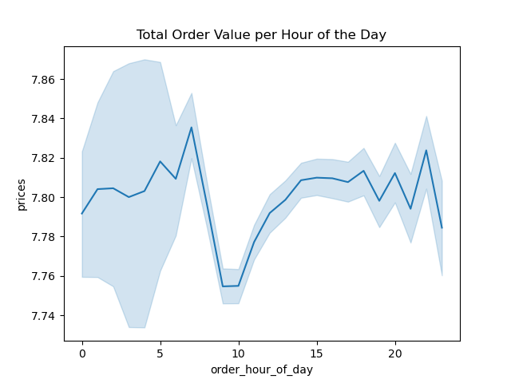
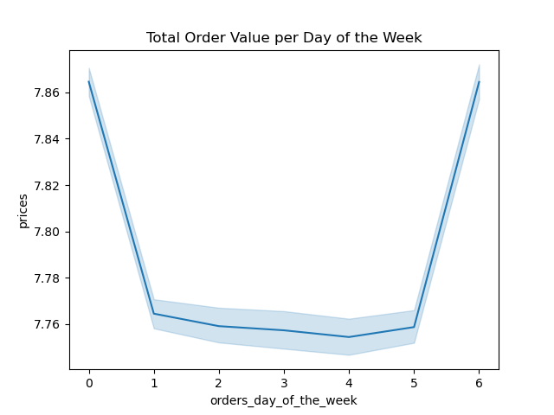

 |  |  |  | Legend:
 |  |  |  | 0 = Saturday
 |  |  |  | 1= Sunday
 |  |  |  | 2 = Monday
 |  |  |  | 3 = Tuesday
 |  |  |  | 4 = Wednesday
 |  |  |  | 5 = Thursday
 |  |  |  | 6 = Friday

 | The most expensive orders from Instacart customers come Friday through Sunday |  |  |  |  |  | Instacart customers make orders at all hours of the day and night.
 |  |  |  |  |  |  | There are highpoints in the morning around 7:30-8:00 am and 10:00pm.
 |  |  |  |  |  |  | With the exception of mid-morning hours, 9:30-10:00 am, most orders
 |  |  |  |  |  |  | stay at a fairly steady pace throughout the day.

Question 3: | Instacart has a lot of products with different price tags. Marketing and sales want to use simpler price range groupings to help direct their efforts.

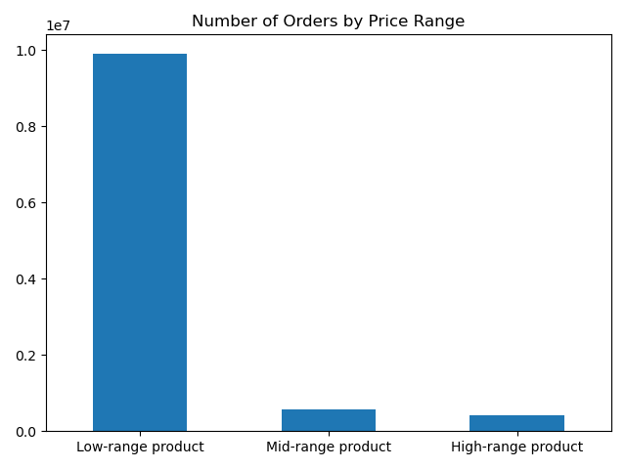

 |  |  |  |  |  |  |  |  |  | Legend:
 |  |  |  |  |  |  |  |  |  | High range product: price > $15
 |  |  |  |  |  |  |  |  |  | Mid range product: price <= $15 and >$5
 |  |  |  |  |  |  |  |  |  | Low range product: price < $5

 | This chart tells us most Instacart customers order products $15 and |  |  |  |  |  | We see another view that Instacart customers order low-range products most.
 | under. We see an immediate drop in product sales over $15.

Question 4: | Are there certain types of products that are more popular than others? The marketing and sales teams want to know which departments have the highest frequency of product orders.

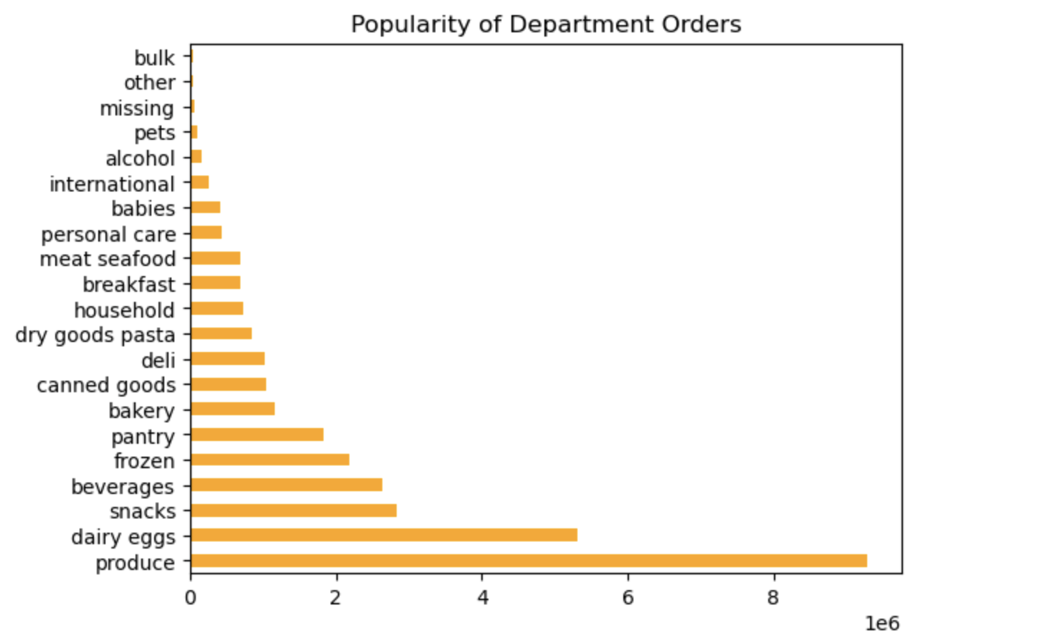
 |  |  |  |  |  |  | Product frequencies
 |  |  |  |  |  | produce 9288860
 |  |  |  |  |  | dairy eggs 5307743
 |  |  |  |  |  | snacks 2829767
 |  |  |  |  |  | beverages 2633150
 |  |  |  |  |  | frozen 2182435
 |  |  |  |  |  | pantry 1831325
 |  |  |  |  |  | bakery 1152277
 |  |  |  |  |  | canned goods 1041171
 |  |  |  |  |  | deli 1028707
 |  |  |  |  |  | dry goods pasta 845368
 |  |  |  |  |  | household 720087
 |  |  |  |  |  | breakfast 695104
 |  |  |  |  |  | meat seafood 692682
 |  |  |  |  |  | personal care 436510
 |  |  |  |  |  | babies 417536
 |  |  |  |  |  | international 262920
 |  |  |  |  |  | alcohol 149356
 |  |  |  |  |  | pets 95478
 |  |  |  |  |  | missing 67034
 |  |  |  |  |  | other 35403
 |  |  |  |  |  | bulk 34011

 |  | With these charts we see the popularity of Instacart products amongst its customers.
 |  | Produce and dairy eggs are ordered the most with a steady decline of all other Instacert products.

Question 5: | The marketing and sales teams are particularly interested in the different types of customers in their system and how their ordering behaviors differ. For example:
 | What’s the distribution among users in regards to their brand loyalty (i.e., how often do they return to Instacart)?
 | Are there differences in ordering habits based on a customer’s loyalty status?
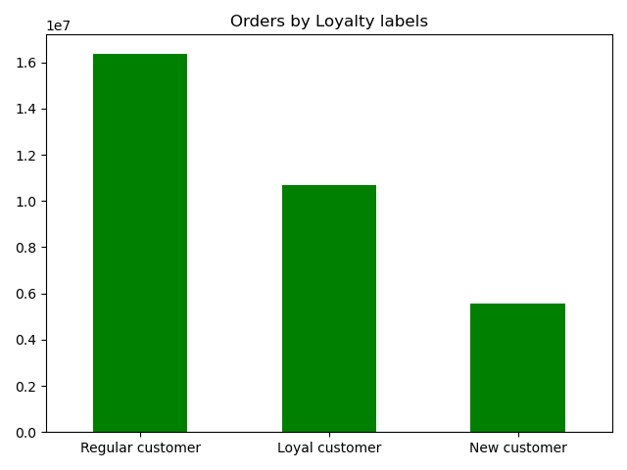
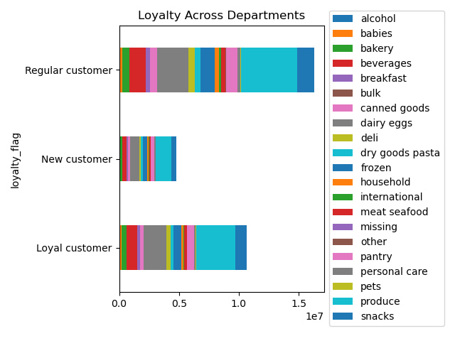

 |  |  |  | Legend:
 |  |  |  | Loyal customer: orders > 40
 |  |  |  | Regular customers: orders <= 40 and >10
 |  |  |  | New customers: orders <= 10

 |  |  |  | Frequencies of customer types
 |  |  |  | Regular customer 16382119
 |  |  |  | Loyal customer 10679887
 |  |  |  | New customer 5580444

 | The most Instacart orders come from "regular customers", those whose number of orders are between 10 and 40 orders, |  |  |  |  |  |  |  | Department orders percentages are very similar relative to each loyalty group's overall purchases.
 | while the "Loyal customers" make up about half of all customers.

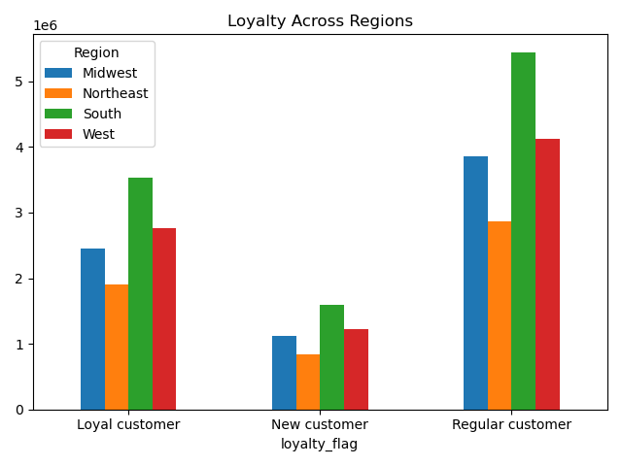
Question 6: | Are there differences in ordering habits based on a customer’s region?
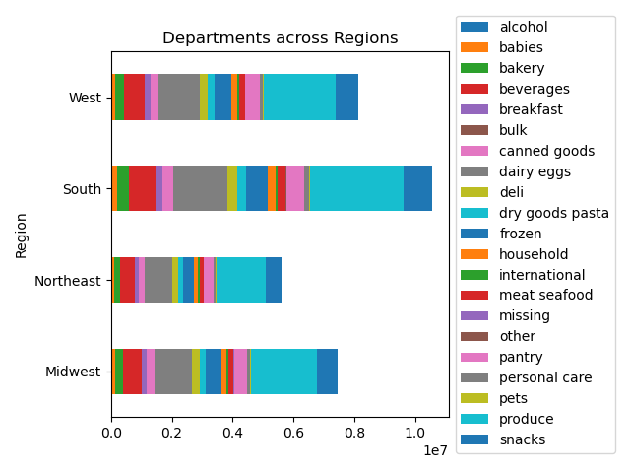
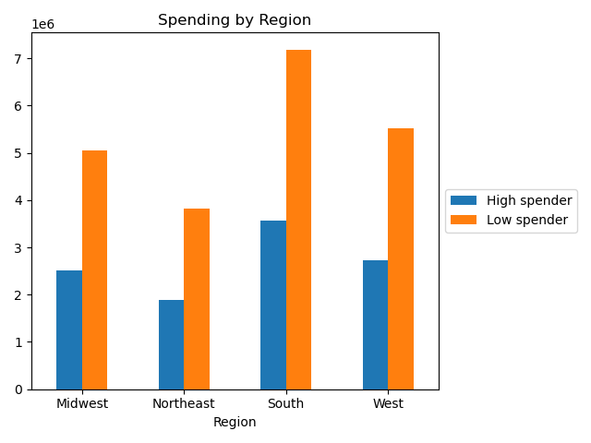

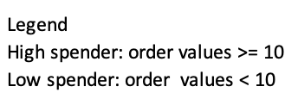

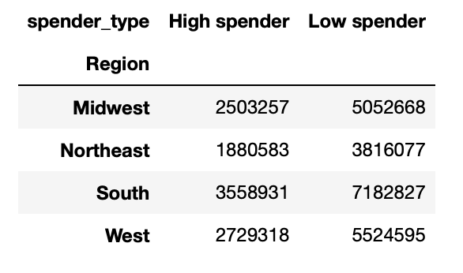

 |  |  | Overall, Instacart has most customer spending in the South. Ordering habits of goods purchased appear similar in their relative percents.

Question 7: | Is there a connection between age and family status in terms of ordering habits?

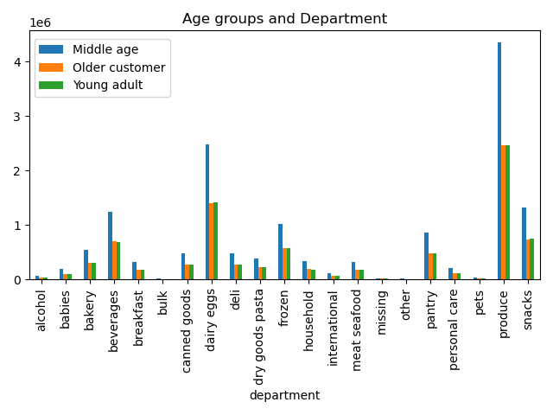
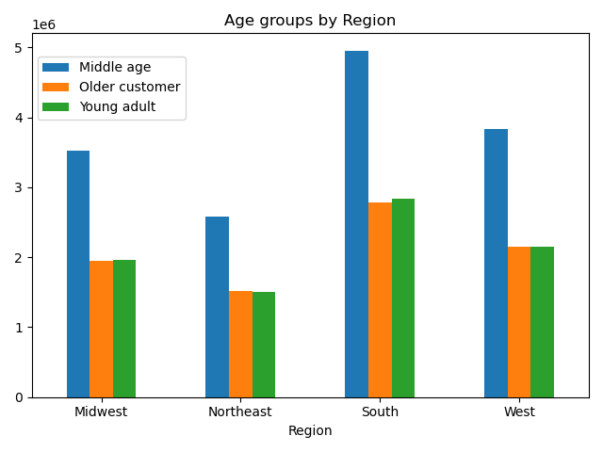
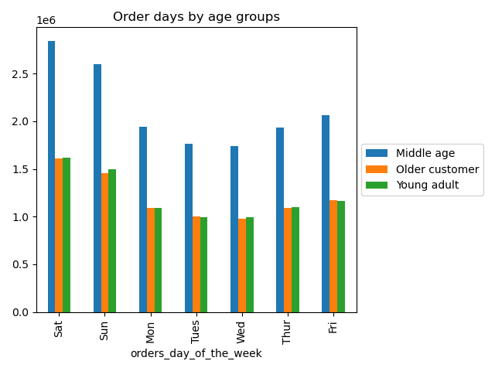
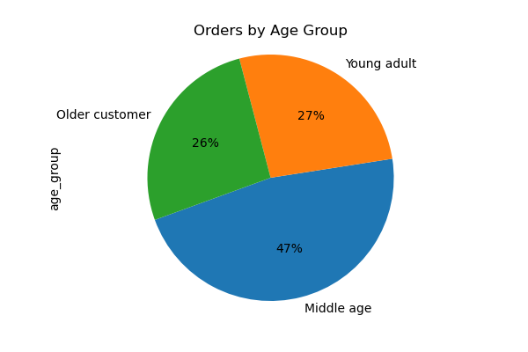

 |  |  |  | Age Groups
 |  |  |  | Older customer: >= 65
 |  |  |  | Middle-age: >= 34 and <= 64
 |  |  |  | Young Adult: >= 18 and <= 34

 |  | Most Instacart orders come from middle-age customers in every category: number of orders, number of purchases in every department, orders per days of the week and region.

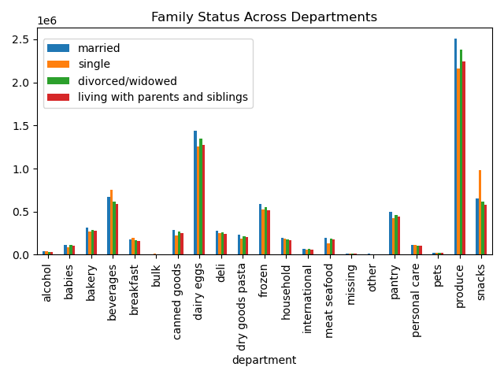

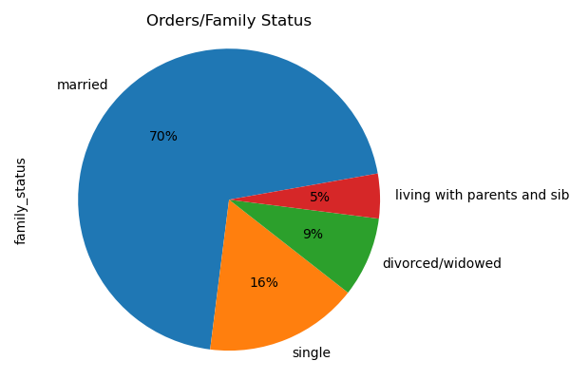

 | Although most orders for Instacart are from married customers the orders by departments are roughly similar amongst the family status groups.

Question 8: | What different classifications does the demographic information suggest?
 | Age? Income? Certain types of goods? Family status?

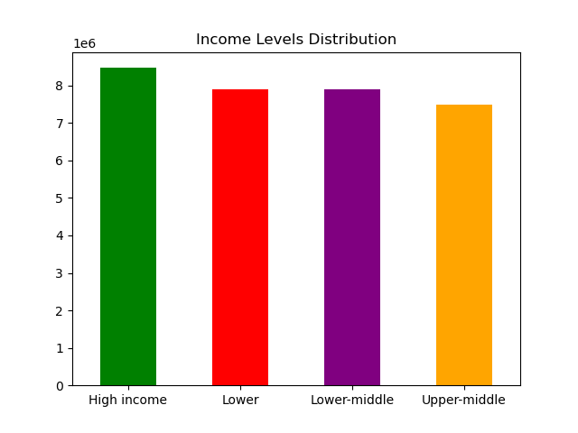
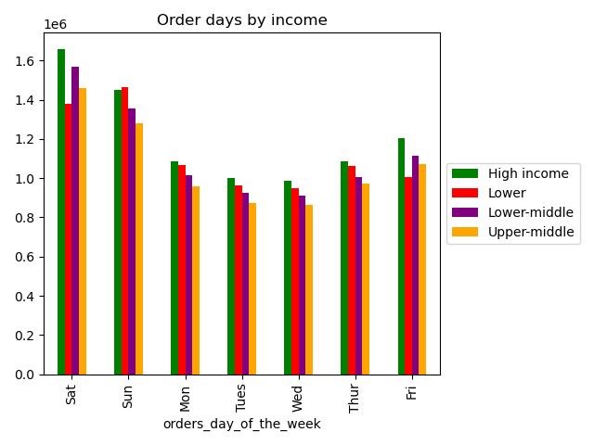
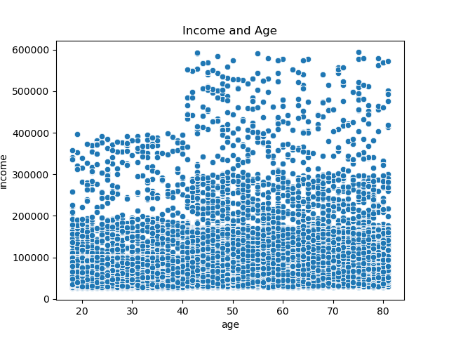
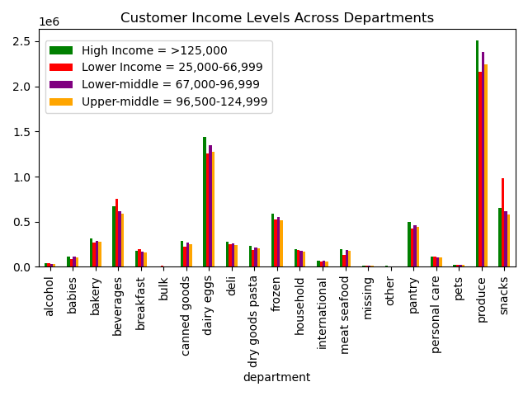
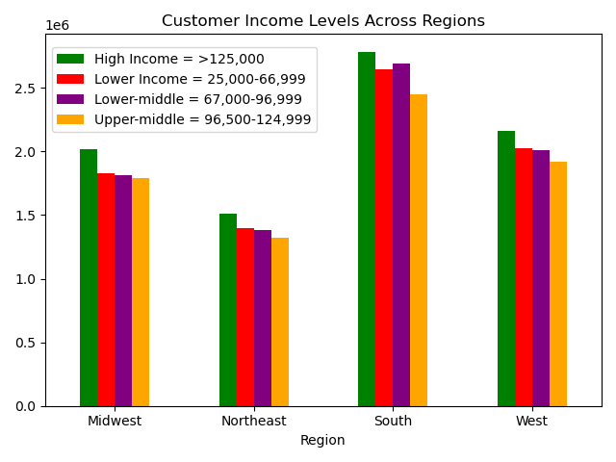

 | We can see that Instacart customer income increases
 | for some as the age increases, although this does not
 | appear to affect overall purchase orders.

 |  | Looking at the charts above we can see there is not very much difference between the age/income characteristics of Instacart customer habits.

Question 9: | What differences can you find in ordering habits of different customer profiles? Consider the price of orders, the frequency of orders, the products customers are ordering, and anything else you can think of.
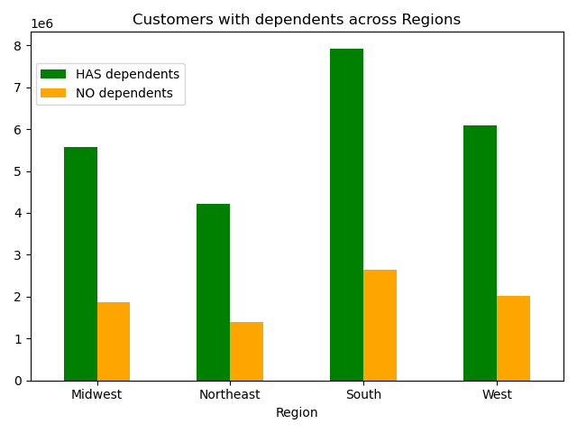
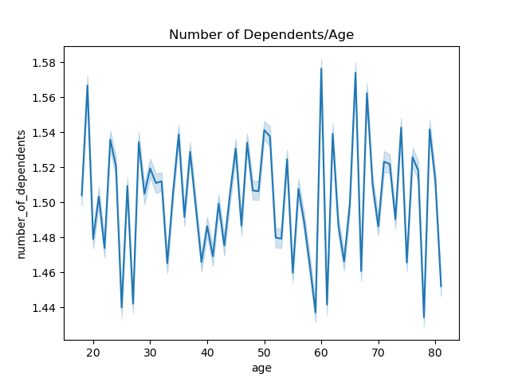
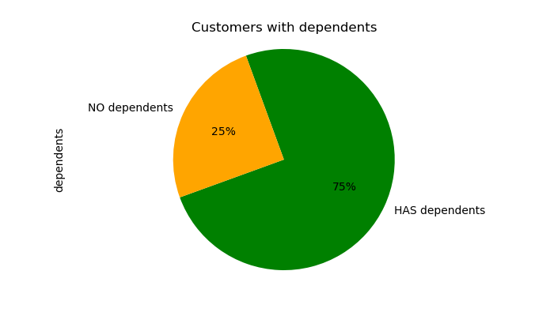
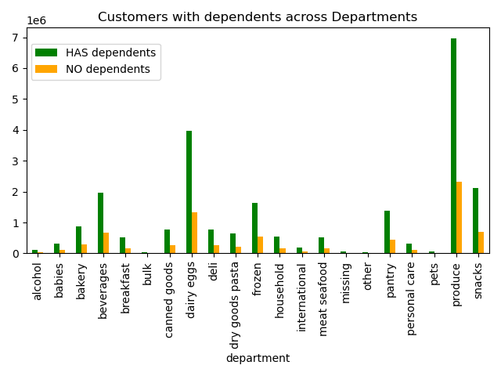

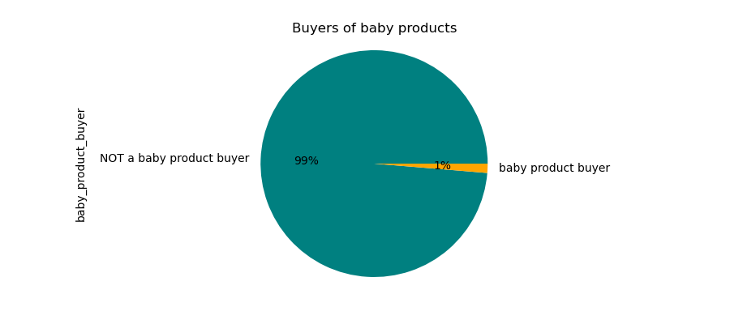

 |  |  |  |  | A great deal of Instacart customers are families with dependents. Although it appears that a customer's age has no real correlation to the number of dependents they have.
 |  |  |  |  | A small portion of customers with dependents purchase baby products.

7. Recommendations
 |  |  |  | Title page

Recommendations

In this tab you should include any recommendations you would made to Instcart in terms of their marketing strategy based on the questions posed in the brief. Every key question has been covered in the Tasks of the Exercises - here you need to add an item - a visualization or table/crosstable that is showing the answer in the data, accompanied by a comment from you. Please, list the questions below and add the answer underneath.

Question |  | Answer | Recommendations
Key Question 1 | ● The sales team needs to know what the busiest days of the week and hours of the day are (i.e., the days and times with the most orders) in order to schedule ads at times when there are fewer orders. | The busiest days of the week for Instacart customer ordering Saturday and Sunday. The busiest hours of the day for Instacart customer ordering are between 9:00 am to 4:00 pm. | Most customers are ordering on Saturday and Sunday and Tuesday and Wednesday are the slowest ordering days. In order to pick up midweek slow downs we can suggest possible mid-week sales: sale prices/delivery prices, or anything else.
Key Question 2 | ● They also want to know whether there are particular times of the day when people spend the most money, as this might inform the type of products they advertise at these times. | The most expensive orders from Instacart customers come Friday through Sunday. Instacart customers make orders at all hours of the day and night. There are highpoints in the morning around 7:30-8:00 am and 10:00pm. With the exception of mid-morning hours, 9:30-10:00 am, most orders stay at a fairly steady pace throughout the day. | Because the most expensive orders are placed on the weekends we can see that customers are shopping for the week ahead or planning for a weekend celebration. As above, a mid-week slight price reduction items may equal out the peak and non-peak shopping days and times. It seems the popular ordering hours may be before the workday starts and/or after the day is done. Again, place some sort of incentive to attract orders during the slow hours such as "morning loyalty points" or mid-morning sales.
Key Question 3 | ● Instacart has a lot of products with different price tags. Marketing and sales want to use simpler price range groupings to help direct their efforts. | This chart tells us most Instacart customers order products $15 and under. We see an immediate drop in product sales over $15. We see another view that Instacart customers order low-range products most. | As most orders are from the low price range it is recommended to keep the price range grouping as is. A look at the higher priced items to see what is or is not selling well may lead to discontinuing higher priced items not being purchased by Instacart customers.
Key Question 4 | ● Are there certain types of products that are more popular than others? The marketing and sales teams want to know which departments have the highest frequency of product orders. | With these charts we see the popularity of Instacart products amongst its customers. Produce and dairy eggs are ordered the most with a steady decline of all other Instacert products. | Produce and dairy/eggs suggest a clientele of customers leaning towards vegetarianism. Maintain these products that are selling well but also introduce, on trial basis, newer vegetarian items to continue these strong sales. Items at the lowest end of sales maybe considered for revamping of products or discontinuance.
Key Question 5 | ● The marketing and sales teams are particularly interested in the different types of customers in their system and how their ordering behaviors differ. For example:
 | ○ What’s the distribution among users in regards to their brand loyalty (i.e., how often do they return to Instacart)? | The most Instacart orders come from "regular customers", those whose number of orders are between 10 and 40 orders, while the "Loyal customers" make up about half of all customers. | Instacart has loyal customers but are they being "rewarded" for being loyal? A loyalty program gaining points of some sort for coupons, etc., will also boost "regular" customers" into the "loyal" customers and attract more new customers as well.
 | ○ Are there differences in ordering habits based on a customer’s loyalty status? | Department orders percentages are very similar relative to each loyalty group's overall purchases. | There does not appear to be an overall difference in ordering habits based on a customer’s loyalty status. The only difference in loyalty groups is the frequency of ordering. The above mentioned loyalty point program may change that.
Key Question 6 | ○ Are there differences in ordering habits based on a customer’s region? | Overall, Instacart has most customer spending in the South. Ordering habits of goods purchased appear similar in their relative percents. | The South has the most customers. Marketing campaigns should take place in the other regions, Northeast, Midwest, and West to boost sales. Perhaps introducing more "local favorites" to these areas to attract new customers.
Key Question 7 | ○ Is there a connection between age and family status in terms of ordering habits? | Most Instacart orders come from middle-age customers in every category: number of orders, number of purchases in every department, orders per days of the week and region. Although most orders for Instacart are from married customers the orders by departments are roughly similar amongst the family status groups. | Married, middle-aged customers make up the bulk of Instacart customers. As mentioned, the is not much difference in what customers are ordering but who is ordering. Market more directly to older and younger adults, singles (which would include the divorced/widowed, and living with parents groups.).
Key Question 8 | ○ What different classifications does the demographic information suggest? Age? Income? Certain types of goods? Family status? | We can see that Instacart customer income increases for some as the age increases, although this does not appear to affect overall purchase orders. Looking at the charts above we can see there is not very much difference between the age/income characteristics of Instacart customer habits. | The results here are are similar to the above questions. The recommendations mentioned would suffice here.
Key Question 9 | ○ What differences can you find in ordering habits of different customer profiles? Consider the price of orders, the frequency of orders, the products customers are ordering, and anything else you can think of. | A great deal of Instacart customers are families with dependents. Although it appears that a customer's age has no real correlation to the number of dependents they have. A small portion of customers with dependents purchase baby products. | Customers with dependents overshadow those without. Perhaps items leaning towrd a more care-free lifestyle can be used to target those customers. For customers with dependents being babies, there are not many baby product buyers with Instacart. However, there are many customers with dependents. To boost the baby product orders it could be recommended to survey these customers of what products they would like to see offered by Instacart. Direct marketing to boost sales in this department and possible new customers.

